Question 1
Q1 Understand the distribution of arrival dates, including the most common arrival days and summary statistics for lead times.

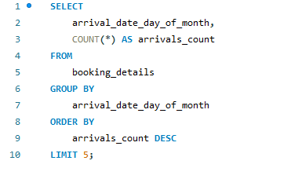
 |  | arrival_date_day_of_month | arrivals_count
 |  | 17 | 4406
 |  | 5 | 4317
 |  | 15 | 4196
 |  | 25 | 4160
 |  | 26 | 4147

 | Calculate summary statistics for lead times.
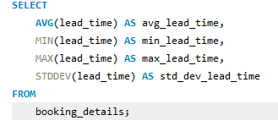
 |  | avg_lead_time | min_lead_time | max_lead_time | std_dev_lead_time
 |  | 104.0114 | 0 | 737 | 106.86264951

Question 2
Q2 Identify peak booking months and analyze reasons for spikes in bookings, including holidays or events.

Booking Based On Months

arrival_date_month | total_booking
August | 13877
July | 12661
May | 11791
October | 11160
April | 11089
June | 10939
September | 10508
March | 9794
February | 8068
November | 6794
December | 6780
January | 5929

Total Bookings | Weekday Booking | Weekend Booking
119390 | 51998 | 67392

Question 3
Q 3 Calculate the average length of stays for different hotel types and explore variations by meal plans.

hotel | meal | average_len_of_stay
Resort Hotel | BB | 3.9833
Resort Hotel | FB | 4.0703
By grouping the data by hotel and meal, you can observe the average length of stays for different hotel types with variations based on meal plans.
Resort Hotel | HB | 5.573
Resort Hotel | SC | 6.7907
Resort Hotel | Undefined | 4.2678
City Hotel | HB | 2.7832
City Hotel | BB | 3.0116
City Hotel | SC | 2.9003
City Hotel | FB | 2.7273

Question 4
Q 4 Analyze how booking patterns have evolved over the years, including yearoveryear changes in bookings and cancellations.

Booking Patteran over years
year | total_bookings | total_cancellations
2015 | 21996 | 8142
2016 | 56707 | 20337
2017 | 40687 | 15745

Question 5
Q 5 Understand the distribution of the number of adults, children, and babies and identify any outliers.
From chart be can see that number of visitor Adults are much more higher then children and babies. so be can say that majority of visitors are Adults

Adults | Children | Babies
221627 | 12403 | 949

Question 6
Calculate summary statistics for ADR and explore differences between Resort Hotel and City Hotel bookings.

To calculate summary statistics for ADR (Average Daily Rate) using SQL, we typically use aggregate functions like AVG, MIN, MAX, and COUNT

ADR and Diff b/w Resort and City Hotel

hotel | min_adr | max_adr | avg_adr
Resort Hotel | -6.38 | 508 | 94.952929606
City Hotel | 0 | 5400 | 105.3044654

Question 7
Q 7 Analyze the distribution of required car parking spaces for each hotel type and determine if one type attracts more guests with cars.
As be can one type attracts more guests with cars is Resort Hotel . it consist of more number of required car spaces as compared to City Hotel. as shown in Pie chart City Hotel = 26 , Resort Hotel = 74%

 | hotel | required_car_parking_spaces
 | Resort Hotel | 5531
 | City Hotel | 1933

Question 8
Q 8 Compare the total number of special requests made by different customer types (e.g., Transient, Group) and identify which customer type makes more requests.
As from we can see from bar graph Transient customer type make more special request as compare to group, contract, transient_party

 | customer_type | Special_requests
 | Group | 372
 | Contract | 2971
 | Transient-Party | 8274
 | Transient | 56598

Question 9
Understand the distribution of meal plans (e.g., BB, HB, FB, SC) and identify any patterns or preferences.
As we can see in column graph there is more preferences is given to BB as compare to FB,HB,SC .

Meal Distribution
meal | distribution_of_meal
BB | 92310
FB | 798
HB | 14463
SC | 10650
Undefined | 1169

Question 10
Analyze Average Daily Rates (ADR) by meal plan type to identify variations in pricing.
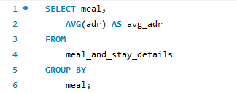

So as pr table data and chart
be see that average daily rates for each meal where HB, FB have more then 100 and other like BB,SC are less expensive

Average Daily Rates
meal | avg_adr
HB | 120.30704072
FB | 109.04047619
BB | 99.407041491
SC | 98.295868545
Undefined | 91.948306245

Question 11
Investigate the distribution of required car parking spaces and special requests by hotel type and meal plan. 12 .Compare the distribution of meal plans among different customer types (e.g., Transient, Group) to identify preferences.

now be can see the distribution of required car parking spaces and special requests by hotel type and meal plan

hotel | meal | avg_parking_spaces | total_special_requests
City Hotel | BB | 0.0255 | 32685
Resort Hotel | BB | 0.1515 | 19494
City Hotel | SC | 0.0219 | 7914
Resort Hotel | HB | 0.1092 | 4916
City Hotel | HB | 0.017 | 2776
Resort Hotel | Undefined | 0.0376 | 206
Resort Hotel | FB | 0.0703 | 174
Resort Hotel | SC | 0.1163 | 38
City Hotel | FB | 0.0455 | 12

Compare the distribution of meal plans among different customer types (e.g., Transient, Group) to identify preferences.

meal | customer_type | preferences
BB | Transient | 70692
BB | Transient-Party | 17859
SC | Transient | 9968
HB | Transient | 8020
HB | Transient-Party | 5794
BB | Contract | 3260
Undefined | Transient-Party | 766
HB | Contract | 613
FB | Transient | 547
BB | Group | 499
SC | Transient-Party | 460
Undefined | Transient | 386
FB | Transient-Party | 245
SC | Contract | 183
SC | Group | 39
HB | Group | 36
Undefined | Contract | 15
FB | Contract | 5
Undefined | Group | 2
FB | Group | 1

Question 12
Q 12 Understand the distribution of bookings across different market segments and calculate summary statistics for lead times within each segment.

Booking across Different market Sement
market_segment | total_booking | min_lead_time | max_lead_time | avg_lead_time
Direct | 2640 | 0 | 626 | 103.6848
Online TA | 2723 | 0 | 629 | 103.8002
Aviation | 2739 | 0 | 629 | 107.5385
Groups | 2699 | 0 | 615 | 104.4454
Complementary | 2702 | 0 | 629 | 104.2461
Offline TA/TO | 2634 | 0 | 626 | 105.1936
Undefined | 2743 | 0 | 615 | 99.9526
summary statistics for lead times within each segment.

Question 13
Analyze the distribution of bookings through different booking channels (e.g., online travel agents, direct bookings) and calculate the percentage of bookings through each channel.

Booking Percentage

 | distribution_channel | total_booking | percentage_of_booking
 | Direct | 14645 | 12.27
 | Corporate | 6677 | 5.59
 | TA/TO | 97870 | 81.98
 | Undefined | 5 | 0
 | GDS | 193 | 0.16

Question 14
Q14 Calculate the proportion of repeated guests and investigate their booking behavior. Identify any patterns or differences in preferences compared to firsttime guests.
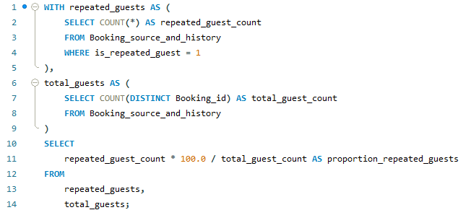
 |  | repeated guests booking behavior.

 |  | average_previous_cancellations | average_previous_not_canceled
 | proportion_repeated_guests | 0.4698 | 3.585
 | 3.19122

Question 15
Explore the impact of a guest's booking history on their likelihood of canceling a current booking. Calculate cancellation rates based on previous cancellations and noncanceled bookings.
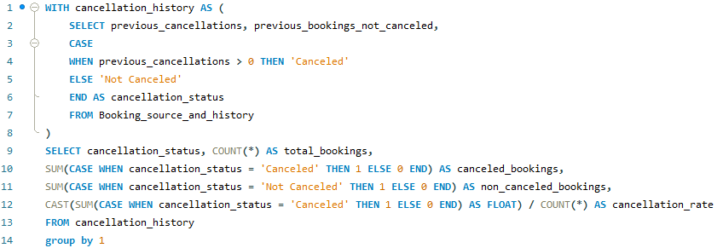

 | cancellation_status | total_bookings | canceled_bookings | non_canceled_bookings | cancellation_rate
 | Not Canceled | 112906 | 0 | 112906 | 0
 | Canceled | 6484 | 6484 | 0 | 1

Question 16
Q 16 Understand the distribution of reserved and assigned room types. Calculate summary statistics for the consistency between reserved and assigned room types.

 |  |  |  |  | Calculate summary statistics for the consistency between reserved and assigned room types.

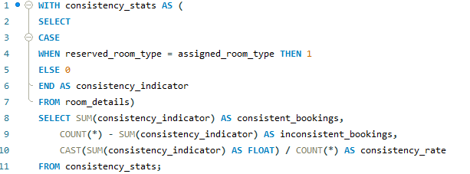

 | reserved_room_type | assigned_room_type | total_bookings | booking_percentage
 | C | C | 883 | 0.0073959293073
 | A | C | 1447 | 0.012119943044
 | A | A | 73598 | 0.61645028897
 | D | D | 17736 | 0.14855515537
 | E | E | 5923 | 0.049610520144
 | D | E | 686 | 0.0057458748639
 | G | G | 2041 | 0.017095234107
 | A | E | 1156 | 0.0096825529776
 | A | G | 186 | 0.0015579194237 | consistent_bookings | inconsistent_bookings | consistency_rate
 | F | F | 2707 | 0.022673590753 | 104473 | 14917 | 0.8750565374
 | D | I | 67 | 0.00056118602898
 | A | B | 1123 | 0.0094061479186
 | E | F | 404 | 0.0033838679956
 | H | H | 584 | 0.0048915319541
 | A | D | 7548 | 0.063221375325
 | G | H | 7 | 5.8631376162E-05
 | H | G | 10 | 8.3759108803E-05
 | D | C | 34 | 0.00028478096993
 | E | G | 100 | 0.00083759108803
 | A | H | 94 | 0.00078733562275
 | E | H | 4 | 3.3503643521E-05
 | D | F | 204 | 0.0017086858196
 | A | F | 417 | 0.0034927548371
 | F | E | 31 | 0.00025965323729
 | L | H | 1 | 8.3759108803E-06
 | L | C | 1 | 8.3759108803E-06
 | A | I | 215 | 0.0018008208393
 | C | I | 10 | 8.3759108803E-05
 | D | G | 82 | 0.00068682469219
 | E | I | 40 | 0.00033503643521
 | C | F | 2 | 1.6751821761E-05
 | L | F | 1 | 8.3759108803E-06
 | G | C | 2 | 1.6751821761E-05
 | D | A | 312 | 0.0026132841947
 | G | I | 15 | 0.0001256386632
 | F | G | 116 | 0.00097160566212
 | C | H | 10 | 8.3759108803E-05
 | G | F | 14 | 0.00011726275232
 | C | G | 10 | 8.3759108803E-05
 | E | D | 22 | 0.00018427003937
 | E | A | 15 | 0.0001256386632
 | F | I | 10 | 8.3759108803E-05
 | P | P | 12 | 0.00010051093056
 | F | D | 4 | 3.3503643521E-05
 | F | H | 3 | 2.5127732641E-05
 | F | A | 6 | 5.0255465282E-05
 | C | A | 5 | 4.1879554402E-05
 | L | L | 1 | 8.3759108803E-06
 | C | E | 4 | 3.3503643521E-05
 | L | A | 1 | 8.3759108803E-06
 | B | B | 988 | 0.0082753999497
 | L | B | 1 | 8.3759108803E-06
 | C | D | 6 | 5.0255465282E-05
 | D | H | 9 | 7.5383197923E-05
 | H | D | 1 | 8.3759108803E-06
 | H | I | 6 | 5.0255465282E-05
 | C | B | 2 | 1.6751821761E-05
 | E | C | 8 | 6.7007287042E-05
 | G | E | 4 | 3.3503643521E-05
 | B | D | 5 | 4.1879554402E-05
 | A | K | 210 | 0.0017589412849
 | B | E | 2 | 1.6751821761E-05
 | F | B | 17 | 0.00014239048497
 | E | K | 16 | 0.00013401457408
 | B | G | 8 | 6.7007287042E-05
 | B | A | 111 | 0.00092972610771
 | B | K | 2 | 1.6751821761E-05
 | G | A | 5 | 4.1879554402E-05
 | D | K | 44 | 0.00036854007873
 | D | B | 27 | 0.00022614959377
 | E | B | 3 | 2.5127732641E-05
 | B | F | 2 | 1.6751821761E-05
 | G | B | 2 | 1.6751821761E-05
 | F | K | 3 | 2.5127732641E-05
 | G | K | 4 | 3.3503643521E-05

Question 17
Q 17 Analyze the impact of booking changes on cancellation rates. Calculate cancellation rates for bookings with different numbers of changes.
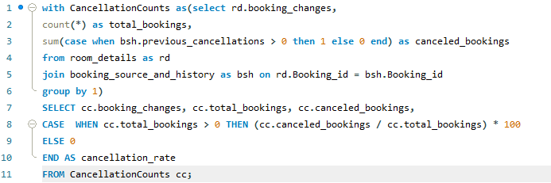

As you can see the impact of booking changes on cancellation rates. cancellation rates for bookings with different numbers of changes. cancellation rate is higher when booking changes is low

 | booking_changes | total_bookings | canceled_booking | cancellation_rate
 | 3 | 927 | 8 | 0.863
 | 4 | 376 | 1 | 0.266
 | 0 | 101314 | 6205 | 6.1245
 | 1 | 12701 | 235 | 1.8502
 | 2 | 3805 | 34 | 0.8936
 | 5 | 118 | 0 | 0
 | 17 | 2 | 0 | 0
 | 6 | 63 | 1 | 1.5873
 | 7 | 31 | 0 | 0
 | 13 | 5 | 0 | 0
 | 16 | 2 | 0 | 0
 | 8 | 17 | 0 | 0
 | 10 | 6 | 0 | 0
 | 12 | 2 | 0 | 0
 | 9 | 8 | 0 | 0
 | 20 | 1 | 0 | 0
 | 11 | 2 | 0 | 0
 | 15 | 3 | 0 | 0
 | 14 | 5 | 0 | 0
 | 21 | 1 | 0 | 0
 | 18 | 1 | 0 | 0

Question 18
Explore how room type preferences vary across different customer types (e.g., Transient, Group). Identify if certain customer types have specific room preferences.

Sum of total_booking by room_preferd
 | Total
A | 85994
B | 1118
C | 932
D | 19201
E | 6535
F | 2897
G | 2094
H | 601
L | 6
P | 12
Count of room_preferd by customer_type
 | Total
Contract | 8
Group | 9
Transient | 10
Transient-Party | 8
 | customer_type | room_preferd | total_booking
 | Contract | A | 2867
 | Contract | D | 843
 | Contract | E | 177
 | Contract | F | 102
 | Contract | B | 75
 | Contract | C | 10
 | Contract | G | 1
 | Contract | H | 1
 | Group | A | 365
 | Group | D | 143
 | Group | E | 33
 | Group | G | 12
 | Group | F | 10
 | Group | B | 6
 | Group | C | 5
 | Group | H | 2
 | Group | P | 1
 | Transient | A | 60948
 | Transient | D | 16420
 | Transient | E | 5569
 | Transient | F | 2663
 | Transient | G | 1957
 | Transient | C | 828
 | Transient | B | 637
 | Transient | H | 574
 | Transient | P | 11
 | Transient | L | 6
 | Transient-Party | A | 21814
 | Transient-Party | D | 1795
 | Transient-Party | E | 756
 | Transient-Party | B | 400
 | Transient-Party | G | 124
 | Transient-Party | F | 122
 | Transient-Party | C | 89
 | Transient-Party | H | 24

Question 20
Q20 Understand the distribution of reservation statuses and calculate summary statistics for reservation status dates.
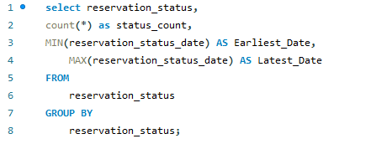

 | reservation_status | status_count | Earliest_Date | Latest_Date
 | Check-Out | 75166 | 2015-07-01 | 2017-09-14
 | Canceled | 43017 | 2014-10-17 | 2017-08-26
 | No-Show | 1207 | 2015-07-02 | 2017-08-31

Question 21
Q 21 Analyze trends in reservation status dates, including the most common checkout dates and any seasonality patterns.

 |  |  | Monthly based check-out

 | Day | Total Check_out
 | 1 | 2364
 | 2 | 2445
 | 3 | 2437 | Month | Total Check_out
 | 4 | 2356 | 1 | 4620
 | 5 | 2372 | 2 | 5140
 | 6 | 2459 | 3 | 6410
 | 7 | 2234 | 4 | 6529
 | 8 | 2572 | 5 | 7166
 | 9 | 2513 | 6 | 6366
 | 10 | 2246 | 7 | 7737
 | 11 | 2486 | 8 | 8561
 | 12 | 2663 | 9 | 6727
 | 13 | 2486 | 10 | 6998
 | 14 | 2269 | 11 | 5039
 | 15 | 2614 | 12 | 3873
 | 16 | 2380
 | 17 | 2545
 | 18 | 2404
 | 19 | 2565
 | 20 | 2643
 | 21 | 2454
 | 22 | 2400
 | 23 | 2420
 | 24 | 2544
 | 25 | 2380
 | 26 | 2608
 | 27 | 2326
 | 28 | 2515
 | 29 | 2735
 | 30 | 2385
 | 31 | 1346

Question 22
Q 22 Explore how reservation statuses vary across different customer types (e.g., Transient, Group) using Excel or SQL. Calculate cancellation rates by customer type.

customer_type | reservation_status | total_booking
Transient | Check-Out | 53099 | customer_type | canceled | cancellation Rates
Transient | Canceled | 35557 | Transient | 36514 | 83%
Contract | Check-Out | 2814 | Contract | 1262 | 3%
Transient-Party | Check-Out | 18735 | Transient-Party | 6389 | 14%
Contract | Canceled | 1236 | Group | 59 | 0%
Transient | No-Show | 957
Cancellation Rate
Contract | No-Show | 26
Transient-Party | Canceled | 6169
Group | Check-Out | 518
Transient-Party | No-Show | 220
Group | Canceled | 55
Group | No-Show | 4

Question 23
Q 23 Investigate whether there are differences in Average Daily Rates (ADR) based on reservation status (e.g., canceled vs. checkedout).

ADR
 | reservation_status | ADR
 | Check-Out | 99.987692973
 | Canceled | 105.20524142

